Objective
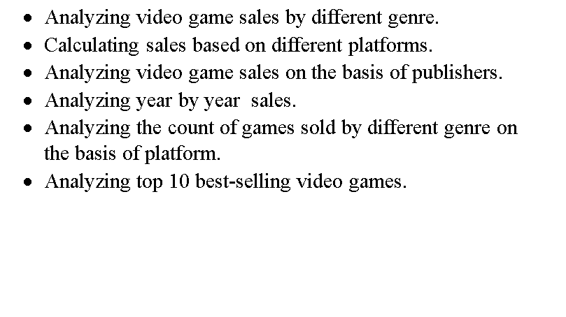
Objective

salebasedonplatform
Calculating sales based on different platforms.

Total Sales Based On Platform
Row Labels | Total_sum
DS | 154.26
PC | 187.25
PSP | 85.42
PSV | 80.58
Wii | 323.54
WiiU | 147.66
X360 | 889.99
XOne | 236.15
Grand Total | 2104.85

Countofplatform
Analyzing the count of games sold by different genre on the basis of platform.

 | DS | PC | PSP | PSV | Wii | WiiU | X360 | XOne
Action | 44 | 58 | 61 | 85 | 45 | 38 | 111 | 41
Adventure | 23 | 13 | 74 | 34 | 8 | 1 | 15 | 3
Fighting | 3 | 2 | 10 | 9 | 3 | 4 | 21 | 6
Misc | 38 | 3 | 20 | 17 | 62 | 19 | 45 | 12
Platform | 8 | 6 | 1 | 6 | 11 | 14 | 8 | 4
Puzzle | 15 | 6 |  | 3 | 4 | 3
Racing | 5 | 13 | 2 | 8 | 9 | 3 | 28 | 9
Role-Playing | 23 | 35 | 53 | 49 | 7 | 6 | 31 | 11
Shooter | 5 | 46 | 4 | 4 | 11 | 9 | 68 | 28
Simulation | 25 | 29 | 4 | 1 | 4 |  | 8 | 1
Sports | 12 | 21 | 21 | 14 | 50 | 7 | 80 | 26
Strategy | 12 | 29 | 15 | 6 | 8 | 3 | 5 | 3
Count of Platform
Genre | DS | PC | PSP | PSV | Wii | WiiU | X360 | XOne | Grand Total
Action | 44 | 58 | 61 | 85 | 45 | 38 | 111 | 41 | 483
Adventure | 23 | 13 | 74 | 34 | 8 | 1 | 15 | 3 | 171
Fighting | 3 | 2 | 10 | 9 | 3 | 4 | 21 | 6 | 58
Misc | 38 | 3 | 20 | 17 | 62 | 19 | 45 | 12 | 216
Platform | 8 | 6 | 1 | 6 | 11 | 14 | 8 | 4 | 58
Puzzle | 15 | 6 |  | 3 | 4 | 3 |  |  | 31
Racing | 5 | 13 | 2 | 8 | 9 | 3 | 28 | 9 | 77
Role-Playing | 23 | 35 | 53 | 49 | 7 | 6 | 31 | 11 | 215
Shooter | 5 | 46 | 4 | 4 | 11 | 9 | 68 | 28 | 175
Simulation | 25 | 29 | 4 | 1 | 4 |  | 8 | 1 | 72
Sports | 12 | 21 | 21 | 14 | 50 | 7 | 80 | 26 | 231
Strategy | 12 | 29 | 15 | 6 | 8 | 3 | 5 | 3 | 81
Grand Total | 213 | 261 | 265 | 236 | 222 | 107 | 420 | 144 | 1868

salesbasedonpublisher
Analyzing video game sales on the basis of publishers.

Publisher | Sum of North_America_Sales | Sum of EuropeanUnion_Sales | Sum of Japan_Sales
Activision | 107.83 | 51.38 | 2.72
Capcom | 8.12 | 4.48 | 9.22
Deep Silver | 14.46 | 13.46 | 8.29
Electronic Arts | 94.74 | 74.25 | 0.81
Idea Factory | 0.22 | 0.05 | 2.62
Microsoft Game Studios | 77.69 | 34.85 | 1.2
Namco Bandai Games | 11.9 | 7.93 | 21.52
Nintendo | 59.95 | 38.26 | 36.31
Sega | 12.97 | 18.63 | 5.1
Square Enix | 12.52 | 10.67 | 8.22
Take-Two Interactive | 57.15 | 23.36 | 0.35
Ubisoft | 77.88 | 50.87 | 0.46
Grand Total | 535.43 | 328.19 | 96.82

salebasedongenre
Analyzing video game sales by different genre.

Gnere | Sum of North_America_Sales | Sum of Japan_Sales | Sum of EuropeanUnion_Sales
Action | 101.17 | 14.87 | 66.18
Adventure | 6.36 | 4.82 | 5.38
Fighting | 10.02 | 3.88 | 4.89
Misc | 84.29 | 13.85 | 46.05
Platform | 29.02 | 8.42 | 18.33
Puzzle | 3.2 | 1.56 | 2.1
Racing | 20.78 | 1.63 | 18.73
Role-Playing | 44.33 | 37.23 | 25.75
Shooter | 135.78 | 3.28 | 72.19
Simulation | 11.57 | 0.54 | 12.25
Sports | 80.72 | 3.11 | 46.97
Strategy | 8.19 | 3.63 | 9.37
Grand Total | 535.43 | 96.82 | 328.19

sales based on year
Analyzing year by year sales

Sales based on Year
Year | Sum of EuropeanUnion_Sales | Sum of Japan_Sales | Sum of North_America_Sales
2010 | 92.12 | 37.59 | 169.58
2011 | 60.75 | 18.59 | 99.12
2012 | 55.48 | 15.46 | 83.11
2013 | 46.4 | 8.74 | 75.62
2014 | 41.66 | 7.36 | 60.11
2015 | 25.57 | 6.61 | 39.55
2016 | 6.21 | 2.45 | 8.07
2017 | 0 | 0.02 | 0
2020 | 0 | 0 | 0.27
Grand Total | 328.19 | 96.82 | 535.43

dashboard
VIDEO GAMES SALES DASHBOARD

Total Sales
 | Sum of North_America_Sales | Sum of Japan_Sales | Sum of EuropeanUnion_Sales
Action | 101.17 | 14.87 | 66.18
Adventure | 6.36 | 4.82 | 5.38
Fighting | 10.02 | 3.88 | 4.89
Misc | 84.29 | 13.85 | 46.05
Platform | 29.02 | 8.42 | 18.33
Puzzle | 3.2 | 1.56 | 2.1
Racing | 20.78 | 1.63 | 18.73
Role-Playing | 44.33 | 37.23 | 25.75
Shooter | 135.78 | 3.28 | 72.19
Simulation | 11.57 | 0.54 | 12.25
Sports | 80.72 | 3.11 | 46.97
Strategy | 8.19 | 3.63 | 9.37
Total Sales Based On Platform
 | Total
DS | 154.26
PC | 187.25
PSP | 85.42
PSV | 80.58
Wii | 323.54
WiiU | 147.66
X360 | 889.99
XOne | 236.15
Year Wise Sales
 | Sum of EuropeanUnion_Sales | Sum of Japan_Sales | Sum of North_America_Sales
2010 | 92.12 | 37.59 | 169.58
2011 | 60.75 | 18.59 | 99.12
2012 | 55.48 | 15.46 | 83.11
2013 | 46.4 | 8.74 | 75.62
2014 | 41.66 | 7.36 | 60.11
2015 | 25.57 | 6.61 | 39.55
2016 | 6.21 | 2.45 | 8.07
2017 | 0 | 0.02 | 0
2020 | 0 | 0 | 0.27

Sales Based On Year
 | Sum of EuropeanUnion_Sales | Sum of Japan_Sales | Sum of North_America_Sales
2010 | 92.12 | 37.59 | 169.58
2011 | 60.75 | 18.59 | 99.12
2012 | 55.48 | 15.46 | 83.11
2013 | 46.4 | 8.74 | 75.62
2014 | 41.66 | 7.36 | 60.11
2015 | 25.57 | 6.61 | 39.55
2016 | 6.21 | 2.45 | 8.07
2017 | 0 | 0.02 | 0
2020 | 0 | 0 | 0.27
TOP 10 Selling Video Games
 | Total_Sales
Kinect Adventures! | 20.15
Grand Theft Auto V | 15
Pokemon Black/Pokemon White | 14.5
Call of Duty: Black Ops | 13.51
Call of Duty: Modern Warfare 3 | 13.44
Call of Duty: Black Ops II | 12.62
Call of Duty: Ghosts | 9.39
Just Dance 3 | 9.2
Halo: Reach | 9.09
Halo 4 | 9.03

Total Sales Based On Genre
 | Sum of North_America_Sales | Sum of Japan_Sales | Sum of EuropeanUnion_Sales
Action | 101.17 | 14.87 | 66.18
Adventure | 6.36 | 4.82 | 5.38
Fighting | 10.02 | 3.88 | 4.89
Misc | 84.29 | 13.85 | 46.05
Platform | 29.02 | 8.42 | 18.33
Puzzle | 3.2 | 1.56 | 2.1
Racing | 20.78 | 1.63 | 18.73
Role-Playing | 44.33 | 37.23 | 25.75
Shooter | 135.78 | 3.28 | 72.19
Simulation | 11.57 | 0.54 | 12.25
Sports | 80.72 | 3.11 | 46.97
Strategy | 8.19 | 3.63 | 9.37

